Custom bitrate
CANHacker Baudrate Reg. | REG[15:8] |  |  | REG[7:0]

 | TS2[2:0] | TS1[3:0] | BPR[8] | BPR[7:0]

 | Note: BPR[9] - always '0'. |  |  |  |  | Edit only yellow cells |  |  | choose one of the values that has the most green cells and does not have red
 | Fpclk = 48 MHz.
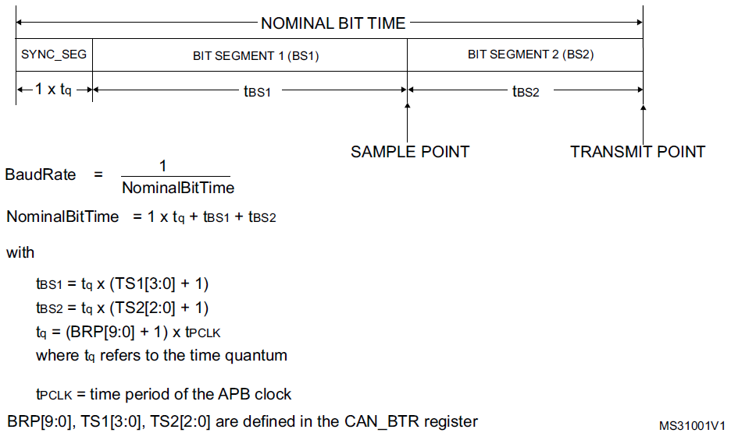
 |  |  |  |  | Fpclk, MHz | BaudRate, bps | Sampling point, % | Bit time | Baud rate prescaler | TS1 | TS2 | Resulting sampling point | Resulting BaudRate, bps | CAN Hacker REG(hex)
 |  |  |  |  | 48 | 33,333 | 60% | 3 | 480 | 1 | 1 | 50% | 33,333 | 01DF
 |  |  |  |  | 48 | 33,333 | 60% | 4 | 360 | 1 | 2 | 33% | 33,333 | 2167
 |  |  |  |  | 48 | 33,333 | 60% | 5 | 288 | 2 | 2 | 50% | 33,333 | 231F
 |  |  |  |  | 48 | 33,333 | 60% | 6 | 240 | 3 | 2 | 60% | 33,333 | 24EF
 |  |  |  |  | 48 | 33,333 | 60% | 7 | 205 | 3 | 3 | 50% | 33,449 | 44CC
 |  |  |  |  | 48 | 33,333 | 60% | 8 | 180 | 4 | 3 | 57% | 33,333 | 46B3
 |  |  |  |  | 48 | 33,333 | 60% | 9 | 160 | 4 | 4 | 50% | 33,333 | 669F
 |  |  |  |  | 48 | 33,333 | 60% | 10 | 144 | 5 | 4 | 56% | 33,333 | 688F
 |  |  |  |  | 48 | 33,333 | 60% | 11 | 130 | 6 | 4 | 60% | 33,566 | 6A81
 |  |  |  |  | 48 | 33,333 | 60% | 12 | 120 | 6 | 5 | 55% | 33,333 | 8A77
 |  |  |  |  | 48 | 33,333 | 60% | 13 | 110 | 7 | 5 | 58% | 33,566 | 8C6D
 |  |  |  |  | 48 | 33,333 | 60% | 14 | 102 | 7 | 6 | 54% | 33,613 | AC65
 |  |  |  |  | 48 | 33,333 | 60% | 15 | 96 | 8 | 6 | 57% | 33,333 | AE5F
 |  |  |  |  | 48 | 33,333 | 60% | 16 | 90 | 9 | 6 | 60% | 33,333 | B059
 |  |  |  |  | 48 | 33,333 | 60% | 17 | 84 | 9 | 7 | 56% | 33,613 | D053
 |  |  |  |  | 48 | 33,333 | 60% | 18 | 80 | 10 | 7 | 59% | 33,333 | D24F
 |  |  |  |  | 48 | 33,333 | 60% | 19 | 75 | 10 | 8 | 56% | 33,684 | F24A
 |  |  |  |  | 48 | 33,333 | 60% | 20 | 72 | 11 | 8 | 58% | 33,333 | F447
 |  |  |  |  | 48 | 33,333 | 60% | 21 | 68 | 12 | 8 | 60% | 33,613 | F643
 |  |  |  |  | 48 | 33,333 | 60% | 22 | 65 | 12 | 9 | 57% | 33,566 | #NUM!
 |  |  |  |  | 48 | 33,333 | 60% | 23 | 62 | 13 | 9 | 59% | 33,660 | #NUM!
 |  |  |  |  | 48 | 33,333 | 60% | 24 | 60 | 13 | 10 | 57% | 33,333 | #NUM!
 |  |  |  |  | 48 | 33,333 | 60% | 25 | 57 | 14 | 10 | 58% | 33,684 | #NUM!

